Лист1
 |  | Free Google Sheets Template
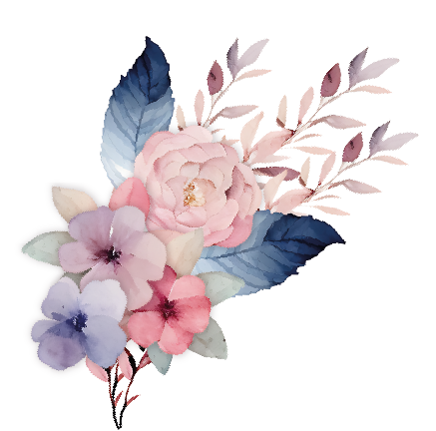 | 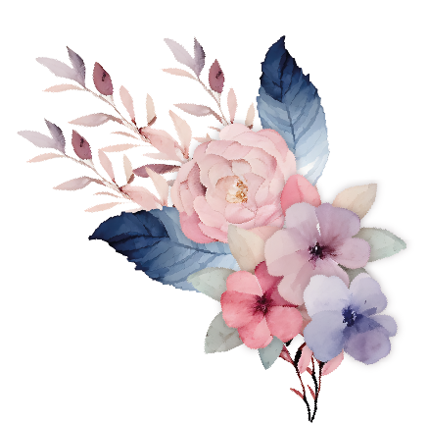 Wedding Budget

 | Ceremony | Budget | Actual | Difference | Notes
 | Welcome Sign | $50.00 | $45.00 | $5.00
 | Ring Bearer Pillow | $75.00 | $50.00 | $25.00
 | Venue Fee | $30.00 | $35.00 | -$5.00
 | Ceremony Arch/ Platform | $50.00 | $50.00 | $0.00
 | Ceremony | $300.00 | $290.00 | $10.00

 | Reception | Budget | Actual | Difference | Notes
 | Food | $250.00 | $250.00 | $0.00
 | Venue Fee | $75.00 | $70.00 | $5.00
 | Bar Fee | $80.00 | $80.00 | $0.00
 | Cake / Dessert | $120.00 | $130.00 | -$10.00
 | Table Numbers | $30.00 | $30.00 | $0.00
 | Seating Chart | $40.00 | $45.00 | -$5.00
 | Wedding Favors | $70.00 | $70.00 | $0.00
 | Event Rentals / Decor | $220.00 | $215.00 | $5.00

 | Vendors | Budget | Actual | Difference | Notes
 | Wedding Planner | $35.00 | $35.00 | $0.00
 | Officiant | $80.00 | $80.00 | $0.00
 | DJ / Band | $175.00 | $180.00 | -$5.00
 | Photographer | $200.00 | $200.00 | $0.00
 | Videographer | $250.00 | $255.00 | -$5.00

 | Florist | Budget | Actual | Difference | Notes
 | Boutonnieres | $65.00 | $70.00 | -$5.00
 | Ceremony Flowers | $100.00 | $95.00 | $5.00
 | Centerpieces | $120.00 | $110.00 | $10.00
 | Head Table Arrangement | $25.00 | $45.00 | -$20.00

 | Stationery | Budget | Actual | Difference | Notes
 | Save the Dates | $65.00 | $65.00 | $0.00
 | Invations | $30.00 | $30.00 | $0.00
 | Ceremony Programs | $35.00 | $35.00 | $0.00
 | Place Cards | $20.00 | $25.00 | -$5.00
 | Guest Book | $60.00 | $60.00 | $0.00
 | Menu Cards | $70.00 | $65.00 | $5.00
 | Thank You Cards | $30.00 | $30.00 | $0.00
 | Stamps | $20.00 | $20.00 | $0.00

 | Attire | Budget | Actual | Difference | Notes
 | Wedding Dress | $750.00 | $800.00 | -$50.00
 | Dress Alterations | $700.00 | $650.00 | $50.00
 | Veil / Headpiece | $200.00 | $210.00 | -$10.00
 | Bride’s Shoes | $300.00 | $285.00 | $15.00
 | Bride’s Jewelry | $1,200.00 | $1,100.00 | $100.00
 | Groom’s Suit | $500.00 | $500.00 | $0.00
 | Suit Alterations | $450.00 | $450.00 | $0.00
 | Groom’s Shoes | $300.00 | $325.00 | -$25.00
 | Groom’s Accessories | $500.00 | $500.00 | $0.00

 | Beauty | Budget | Actual | Difference | Notes
 | Bride’s Hair | $210.00 | $220.00 | -$10.00
 | Bride’s Makeup | $320.00 | $320.00 | $0.00
 | Bridal Party Hair • Makeup | $150.00 | $150.00 | $0.00
 | Bride’s Manicure • Pedicure | $220.00 | $210.00 | $10.00
 | Groom’s Haircut • Shave | $100.00 | $90.00 | $10.00

 | Total | $8,670.00 | $8,570.00 | $100.00

 | Remaining Balance | $100.00

